Image Overlay Charts
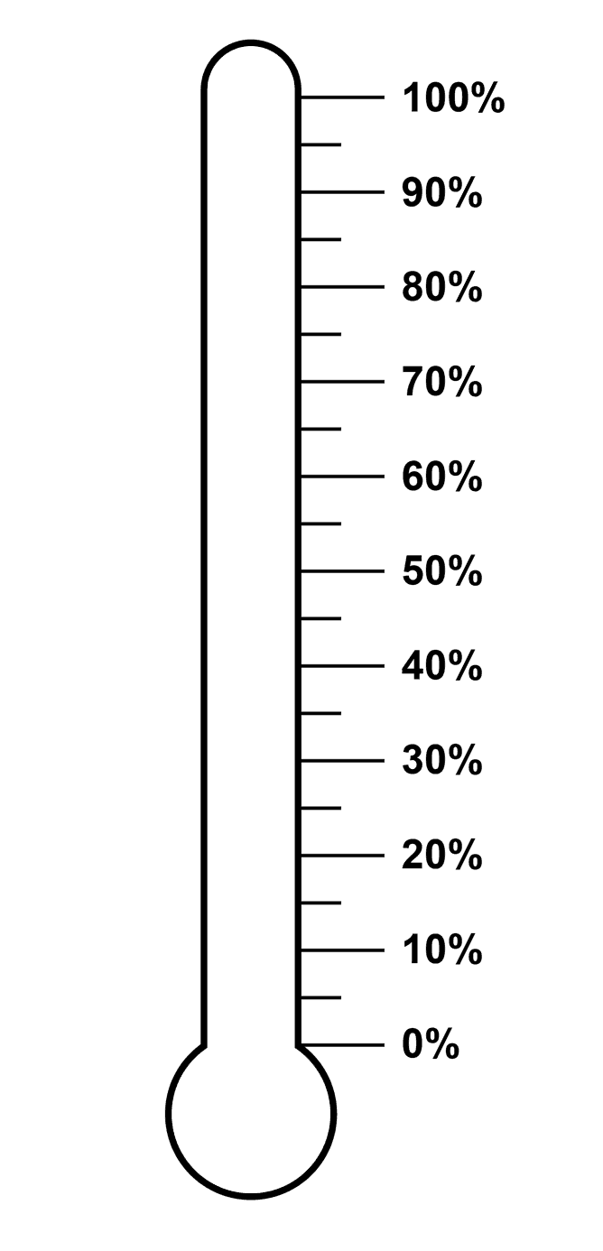

$ Raised | Goal | $ Remaining | % to Goal
$4,500 | $10,000 | $5,500 | 45%

Automatic Chart Updates
Date | Temperature
2016-04-01 | 88
2016-04-02 | 88
2016-04-03 | 81
2016-04-04 | 82
2016-04-05 | 77
2016-04-06 | 80
 | Temperature
2016-04-01 | 88
2016-04-02 | 88
2016-04-03 | 81
2016-04-04 | 82
2016-04-05 | 77
2016-04-06 | 80
2016-04-07 | 75
2016-04-08 | 77
2016-04-09 | 75
2016-04-10 | 80
2016-04-11 | 88
2016-04-12 | 79
2016-04-13 | 85
2016-04-14 | 84
2016-04-15 | 86
2016-04-16 | 76
2016-04-17 | 77
2016-04-18 | 85
2016-04-19 | 80
2016-04-20 | 76
2016-04-21 | 74
2016-04-22 | 79
2016-04-23 | 82
2016-04-24 | 85
2016-04-25 | 88
2016-04-26 | 83
2016-04-07 | 75
2016-04-08 | 77
2016-04-09 | 75
2016-04-10 | 80
2016-04-11 | 88
2016-04-12 | 79
2016-04-13 | 85
2016-04-14 | 84
2016-04-15 | 86
2016-04-16 | 76
2016-04-17 | 77
2016-04-18 | 85
2016-04-19 | 80
2016-04-20 | 76
2016-04-21 | 74
2016-04-22 | 79
2016-04-23 | 82
2016-04-24 | 85
2016-04-25 | 88
2016-04-26 | 83

Scroll & Zoom Charts
 | Impressions | CTR
Mar | 584,486 | 3.5%
Apr | 2,157,640 | 8.9%
May | 2,839,283 | 1.4%
Jun | 782,039 | 1.3%
Jul | 1,123,923 | 0.7%
Aug | 2,707,191 | 2.6%
Sep | 928,323 | 2.4%
Oct | 3,454,456 | 0.6%
Nov | 3,345,678 | 1.1%
Month | Impressions | Clicks | CTR
Jan | 1,696,583 | 26,183 | 1.5%
Feb | 1,585,079 | 20,024 | 1.3%
Mar | 584,486 | 20,564 | 3.5%
Apr | 2,157,640 | 192,000 | 8.9%
May | 2,839,283 | 40,629 | 1.4%
Jun | 782,039 | 9,872 | 1.3%
Jul | 1,123,923 | 8,006 | 0.7%
Aug | 2,707,191 | 70,705 | 2.6%
Sep | 928,323 | 22,617 | 2.4%
Oct | 3,454,456 | 22,334 | 0.6%
Nov | 3,345,678 | 35,771 | 1.1%
Dec | 2,102,932 | 11,245 | 0.5%

 | Scroll index: | 2 |  | Scroll:
 | Zoom index: | 9
 | Max scroll: |  |  | Zoom:

Animating Changes Over Time
Year | Score | Democrats | Republicans | *Inspired by Pew Research Center Political Polarization Study |  |  |  |  | 5 | 1 | 1994
1994 | LIBERAL | 4 | 0 | http://www.people-press.org/2014/06/12/section-1-growing-ideological-consistency/#interactive |  |  |  |  |  | 2 | 1999
1994 | 2 | 11 | 1 |  |  |  |  |  |  | 3 | 2004
1994 | 3 | 12 | 2 |  |  |  |  |  |  | 4 | 2011
1994 | 4 | 25 | 10 |  |  |  |  |  |  | 5 | 2014
1994 | 5 | 29 | 11 |  | Select year: | 2014
1994 | 6 | 49 | 20
1994 | 7 | 53 | 23
1994 | 8 | 63 | 37
1994 | 9 | 67 | 40
1994 | 10 | 70 | 54
1994 | MIXED | 69 | 58
1994 | 12 | 68 | 60
1994 | 13 | 58 | 65
1994 | 14 | 50 | 65
1994 | 15 | 34 | 64
1994 | 16 | 31 | 60
1994 | 17 | 16 | 46
1994 | 18 | 14 | 43
1994 | 19 | 7 | 36
1994 | 20 | 4 | 30
1994 | CONSERVATIVE | 1 | 10
1999 | LIBERAL | 9 | 2
1999 | 2 | 20 | 3
1999 | 3 | 23 | 4
1999 | 4 | 38 | 16
1999 | 5 | 45 | 19
1999 | 6 | 58 | 30
1999 | 7 | 61 | 36
1999 | 8 | 69 | 56
1999 | 9 | 72 | 57
1999 | 10 | 68 | 54
1999 | MIXED | 65 | 57
1999 | 12 | 63 | 60
1999 | 13 | 44 | 66 |  | Year | Score | Democrats | Republicans
1999 | 14 | 39 | 63 |  | 2014 | LIBERAL | 36 | 0
1999 | 15 | 27 | 52 |  | 2014 | 2 | 45 | 2
1999 | 16 | 21 | 47 |  | 2014 | 3 | 49 | 3
1999 | 17 | 8 | 31 |  | 2014 | 4 | 57 | 9
1999 | 18 | 6 | 29 |  | 2014 | 5 | 58 | 10
1999 | 19 | 2 | 26 |  | 2014 | 6 | 60 | 17
1999 | 20 | 1 | 20 |  | 2014 | 7 | 61 | 20
1999 | CONSERVATIVE | 0 | 8 |  | 2014 | 8 | 67 | 33
2004 | LIBERAL | 15 | 1 |  | 2014 | 9 | 64 | 38
2004 | 2 | 28 | 5 |  | 2014 | 10 | 51 | 45
2004 | 3 | 31 | 7 |  | 2014 | MIXED | 50 | 46
2004 | 4 | 50 | 16 |  | 2014 | 12 | 48 | 47
2004 | 5 | 59 | 15 |  | 2014 | 13 | 31 | 59
2004 | 6 | 62 | 27 |  | 2014 | 14 | 29 | 60
2004 | 7 | 63 | 36 |  | 2014 | 15 | 14 | 57
2004 | 8 | 67 | 54 |  | 2014 | 16 | 12 | 61
2004 | 9 | 66 | 61 |  | 2014 | 17 | 5 | 60
2004 | 10 | 63 | 72 |  | 2014 | 18 | 4 | 54
2004 | MIXED | 63 | 71 |  | 2014 | 19 | 2 | 48
2004 | 12 | 62 | 70 |  | 2014 | 20 | 1 | 43
2004 | 13 | 40 | 59 |  | 2014 | CONSERVATIVE | 0 | 25
2004 | 14 | 27 | 58
2004 | 15 | 15 | 50
2004 | 16 | 14 | 46
2004 | 17 | 8 | 32
2004 | 18 | 5 | 27
2004 | 19 | 2 | 14
2004 | 20 | 1 | 11
2004 | CONSERVATIVE | 0 | 8
2011 | LIBERAL | 21 | 0
2011 | 2 | 30 | 1
2011 | 3 | 31 | 2
2011 | 4 | 49 | 6
2011 | 5 | 59 | 9
2011 | 6 | 62 | 19
2011 | 7 | 60 | 21
2011 | 8 | 64 | 37
2011 | 9 | 63 | 42
2011 | 10 | 60 | 49
2011 | MIXED | 57 | 50
2011 | 12 | 54 | 51
2011 | 13 | 36 | 63
2011 | 14 | 35 | 64
2011 | 15 | 21 | 60
2011 | 16 | 16 | 59
2011 | 17 | 8 | 56
2011 | 18 | 7 | 56
2011 | 19 | 5 | 43
2011 | 20 | 3 | 31
2011 | CONSERVATIVE | 0 | 19
2014 | LIBERAL | 36 | 0
2014 | 2 | 45 | 2
2014 | 3 | 49 | 3
2014 | 4 | 57 | 9
2014 | 5 | 58 | 10
2014 | 6 | 60 | 17
2014 | 7 | 61 | 20
2014 | 8 | 67 | 33
2014 | 9 | 64 | 38
2014 | 10 | 51 | 45
2014 | MIXED | 50 | 46
2014 | 12 | 48 | 47
2014 | 13 | 31 | 59
2014 | 14 | 29 | 60
2014 | 15 | 14 | 57
2014 | 16 | 12 | 61
2014 | 17 | 5 | 60
2014 | 18 | 4 | 54
2014 | 19 | 2 | 48
2014 | 20 | 1 | 43
2014 | CONSERVATIVE | 0 | 25

Dynamic Series Selection
Select Genre: | Romance
 | Comedy(S) | Comedy(D) | Thriller(S) | Thriller(D) | Documentary(S)+'Dynamic Series Selection'!$B$35:$M$35 | Documentary(D) | Romance(S) | Romance(D)
January | 0 | 49,832 | 0 | 12,839 | 0 | 9,118 | $14,381 | $0
February | 0 | 47,232 | 0 | 16,828 | 0 | 9,907 | $14,651 | $0
March | 0 | 40,002 | 0 | 15,839 | 0 | 7,257 | $11,969 | $0
April | 0 | 37,283 | 0 | 18,082 | 0 | 7,838 | $14,602 | $0
May | 0 | 32,910 | 0 | 24,932 | 0 | 6,372 | $13,046 | $0
June | 0 | 33,829 | 0 | 30,462 | 0 | 5,992 | $14,411 | $0
July | 0 | 30,102 | 0 | 34,240 | 0 | 5,773 | $13,871 | $0
August | 0 | 32,111 | 0 | 42,718 | 0 | 5,993 | $14,184 | $0
September | 0 | 34,921 | 0 | 41,128 | 0 | 6,302 | $13,033 | $0
October | 0 | 30,293 | 0 | 39,382 | 0 | 8,103 | $14,625 | $0
November | 0 | 28,392 | 0 | 36,621 | 0 | 9,100 | $12,196 | $0
December | 0 | 24,192 | 0 | 37,283 | 0 | 9,278 | $13,081 | $0

 | 2015 Ticket Sales
Movie Genre | January | February | March | April | May | June | July | August | September | October | November | December
Comedy | 49,832 | 47,232 | 40,002 | 37,283 | 32,910 | 33,829 | 30,102 | 32,111 | 34,921 | 30,293 | 28,392 | 24,192
Thriller | 12,839 | 16,828 | 15,839 | 18,082 | 24,932 | 30,462 | 34,240 | 42,718 | 41,128 | 39,382 | 36,621 | 37,283
Documentary | 9,118 | 9,907 | 7,257 | 7,838 | 6,372 | 5,992 | 5,773 | 5,993 | 6,302 | 8,103 | 9,100 | 9,278
Romance | 14,381 | 14,651 | 11,969 | 14,602 | 13,046 | 14,411 | 13,871 | 14,184 | 13,033 | 14,625 | 12,196 | 13,081

Comedy
Comedy | 49,832 | 47,232 | 40,002 | 37,283 | 32,910 | 33,829 | 30,102 | 32,111 | 34,921 | 30,293 | 28,392 | 24,192
Thriller
Thriller | 12,839 | 16,828 | 15,839 | 18,082 | 24,932 | 30,462 | 34,240 | 42,718 | 41,128 | 39,382 | 36,621 | 37,283
Documentary
Documentary | 9,118 | 9,907 | 7,257 | 7,838 | 6,372 | 5,992 | 5,773 | 5,993 | 6,302 | 8,103 | 9,100 | 9,278
Romance | $14,381 | $14,651 | $11,969 | $14,602 | $13,046 | $14,411 | $13,871 | $14,184 | $13,033 | $14,625 | $12,196 | $13,081
Romance

Gauge Chart
Chart Value | Max | Slices | Degrees | X-Values | Y-Values
5.00 | 10

40%
60%

20%
80%

0%
100%

